1. Title Page
[Instacart Analysis]

Project Name: Instacart Analysis
Date: 11/28/23
Analyst Name: Cami Ter Haar
Data received from: Instacart and CareerFoundry

Contents:
Population Flow
Consistency checks
Wrangling steps
Column derivations
Visualizations
Recommendations

2. Population Flow
Title page

Population flow

Exclusion flag
Condition: max_order <
Obervations to be removed: 30
Final total count of order_products_all: (32404859, 15)

Orders_products_combined
Orders_products_merged
norm_act_d

Total: (32404859, 15)
Total: (32434489, 12)
Total: (30964564, 29)

1.) The grey boxes in the first row of the population flow represent the original data sets as they were when you downloaded them. In the Total fields you need to add the count of the rows when you imported the data set into Jupyter.
2.) The second row of boxes (coloured) represents the data sets after you manipulated them, e.g., removed missing values and duplicates. In the Total fields you need to add the count of the rows after conducting these operations. This offers a visual oveview of how the data flows throughout the data consistency checks.
3.) The third row, where also the arrows are coloured, represents the merges you performed between the datasets. In the Total fields you need to add the count of the rows in the merged datasets, so that you end up with the final dataset (in the red box). Keep in mind the final dataset should be without exclusions (based on the exclusion flag).

3. Consistency checks
 |  |  |  | Title page
Consistency checks

Dataset | Missing values | Missing values treatment | Duplicates
orders | 206209 | left in the data since it has value | 0
products | 16 | renamed and left in data | 5
orders_products_prior | 0 | n/a | 0
customers | 11259 | removed column since it is PII | 0

4. Wrangling steps
 |  |  |  | Title page
Wrangling steps

Columns dropped | Columns renamed | Columns' type changed | Comment/Reason
Unnamed |  |  | didn't carry relevant values
_merge |  |  | didn't carry relevant values
 |  | orders_day_of_week | to save data/memory
 |  | time_of_order | to save data/memory
 |  | aisle_id | to save data/memory
 |  | department_id | to save data/memory
 |  | reordered | to save data/memory
 | Surnam |  | made it easier to remember
 | First Name |  | made it easier to remember
 | STATE |  | made it easier to remember
date_joined |  |  | to save data/memory
First |  |  | to save data/memory
Last |  |  | to save data/memory
add_to_cart_order |  |  | to save data/memory
Prices |  |  | to save data/memory
product_id |  |  | to save data/memory
product_name |  |  | to save data/memory
 |  | Age | to save data/memory
 |  | n_dependants | to save data/memory
 |  | income | to save data/memory

5. Column derivations
 |  |  |  | Title page

Column derivations and aggregations

In this tab you should add tables below that the frequences of flags/label variables that you produced after deriving them. NB: don't do this for continuous variables, only for flags.
Dataset | New column | Column/s it was derived from | Conditions
ds_ords_prods_merge | price_range_loc | prices | 15>, =<15 >5, >=5
ds_ords_prods_merge | busiest_day | day_of_week | 0 or 1, 4 or 3, else
ds_ords_prods_merge | most_orders | time_of_day | 1-5, 10-15, else
ords_prods_merge | loyalty flag | max_order | <=10, >10 <=40, >40
ords_prods_merge | spending flag | avg_price | <= 10, >10
ords_prods_merge | frequency flag | days_since_prior_order | <= 10, >10 <=20, >20

6. Visualizations

 |  |  | Title page
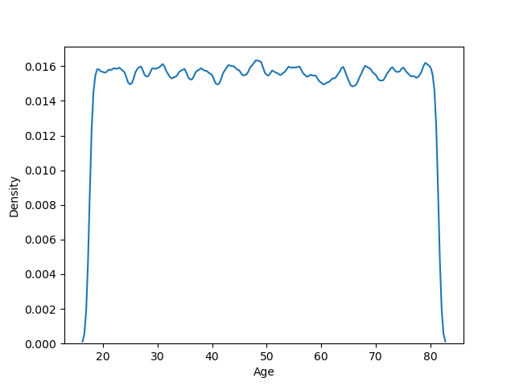
Visualisations

In this tab you should include all the visualtions from Exercises 4.9 and 4.10, alongside the questions from the project brief that they answer. Include any commentary on the relationship between different variables.



 |  |  |  |  | Create a histogram of the “order_hour_of_day” column.

 |  | Wanted to see if there was a larger age group

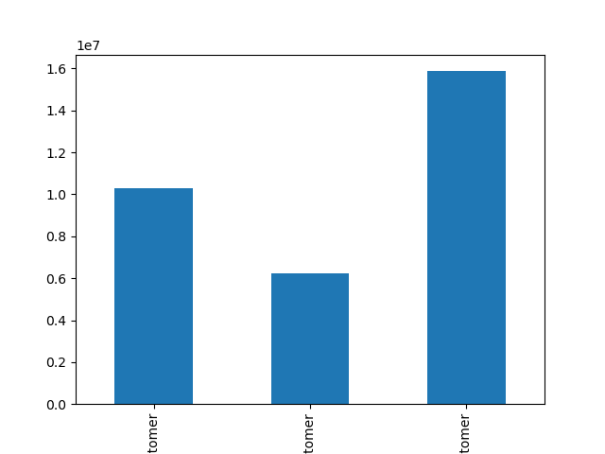
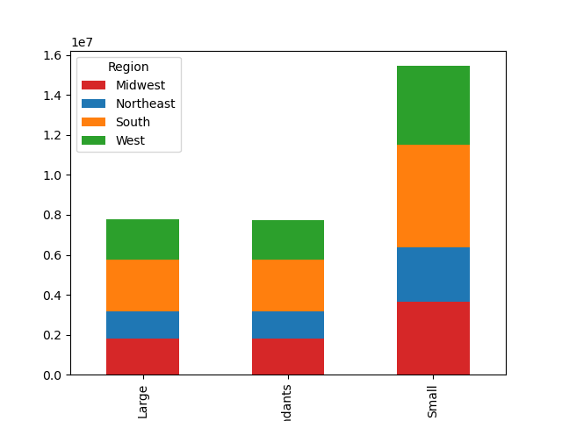

Check whether there’s a difference in expenditure (the “prices” column) depending on the hour of the day

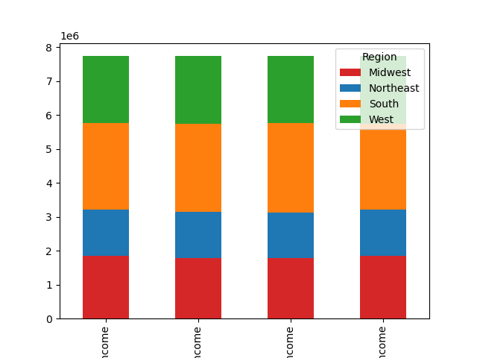

 |  |  |  |  | Shows loyalty flag and how many loyal customers the are
 |  |  | Wanted to see family size by regions
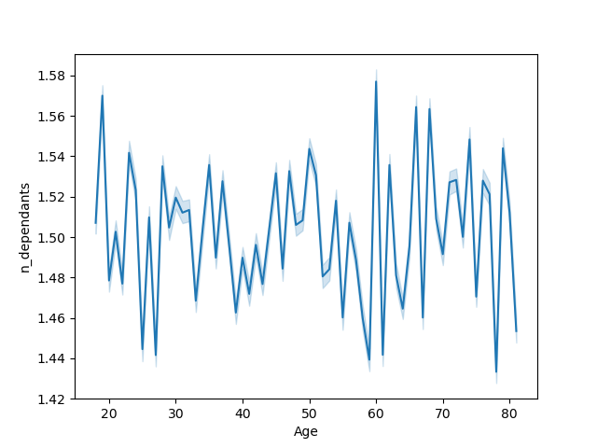

 | Wanted to see if there is a larger income group in a certain region

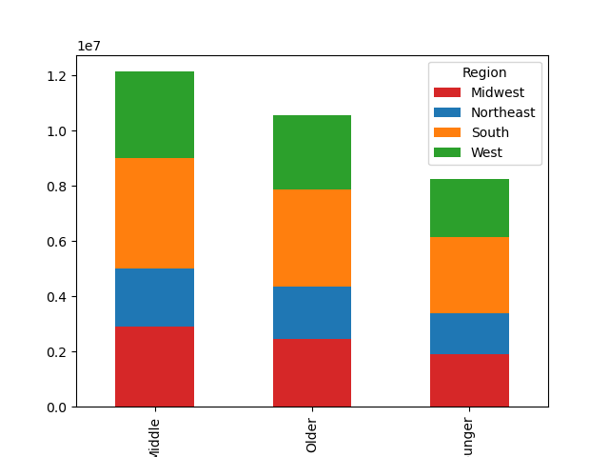
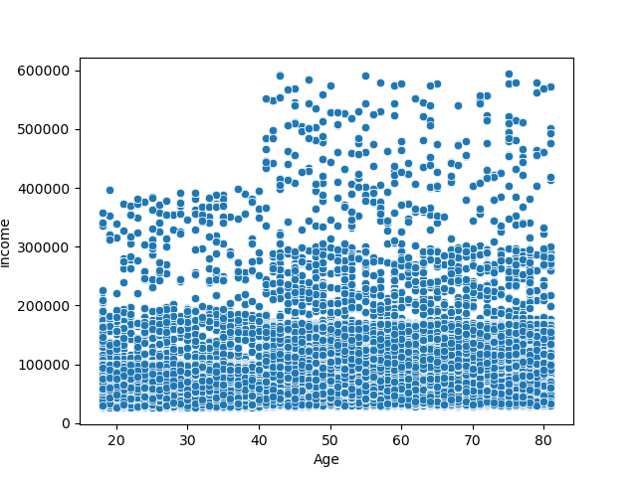

 |  |  |  |  | determine whether there’s a connection between age and family situation by creating a line chart exploring the connections between age and number of dependents

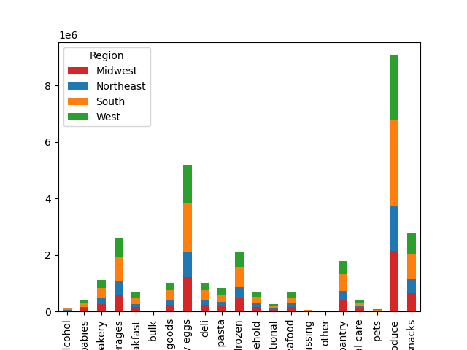

 | Wanted to see income based age |  |  | Wanted to see age groups by region

 |  |  |  |  | wanted to see departments by regions

7. Recommendations
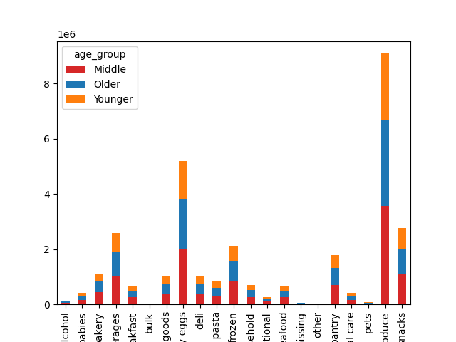
 |  |  | Title page

Recommendations

In this tab you should include any recommendations you would made to Instcart in terms of their marketing strategy based on the questions posed in the brief. Every key question has been covered in the Tasks of the Exercises - here you need to add an item - a visualisation or table/crosstable that is showing the answer in the data, acompanied by a comment from you. Please, list the questions below and add the answer underneath.

Question
What’s the distribution among users in regards to their brand loyalty

 |  | We have about 1.5x as many regular customers as loyal customers.

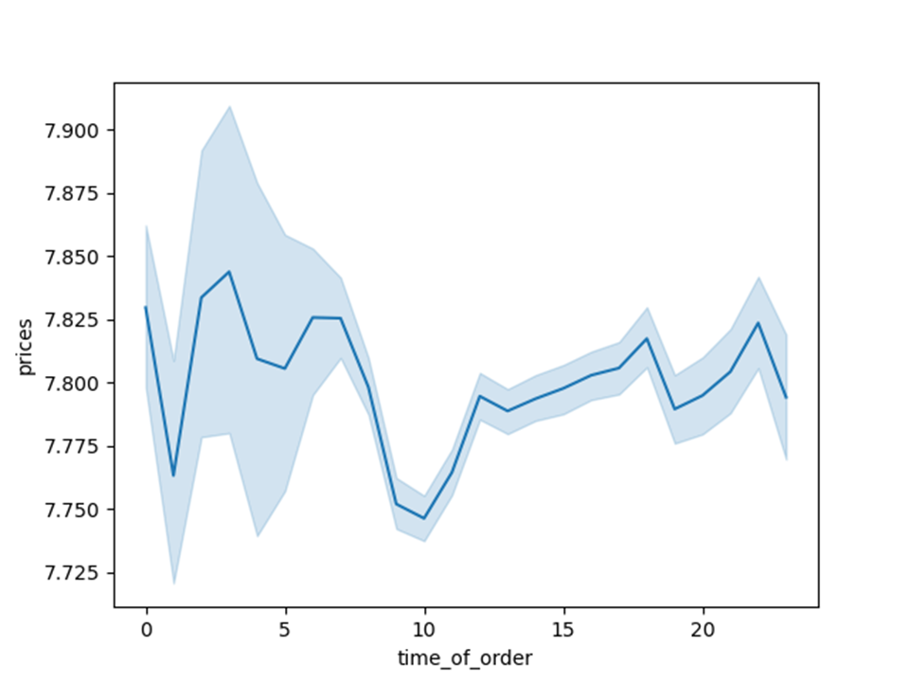
What are the busiest days of the week and hours of the day

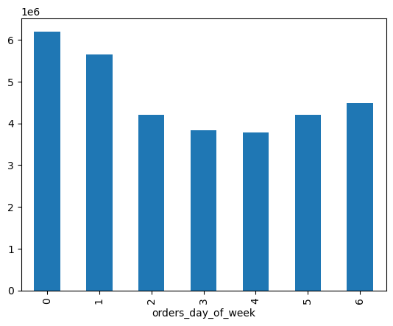

 |  |  |  | Weekends and times between 10am-5pm are the busiest.

Are there differences in ordering habits based on a customer’s loyalty status

 | Yes, loyal customers order more frequently than non-loyal customers.

Are there differences in ordering habits based on a customer’s region


 |  | No, regions seem to be consistent across departments

Is there a connection between age and family status in terms of ordering habits

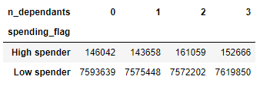
 | Yes, families with 2+ dependants tend to spend more. Age doesn't have a storng connection.

What different classifications does the demographic information suggest? Age? Income? Certain types of goods? Family status

 |  |  |  |  | The data shows that there are people from all walks of life using Insta Cart. Regions have the same densities of income type and age.

 |  |  |  |  | Data suggests that older age groups make more money, so they might be more likely to spend.

 |  |  |  |  | Data suggests there is no correlation between age and family size.

What differences can you find in ordering habits of different customer profiles

 |  | I didn't find many differences based on regions or age groups in departments.

